Find an EVENT
1 | Admin Should be able create a customised event and below fields should be made available
a | Event Title - Amendable and customisable field able to accept all value including special characters without error (@£$*$&%^%! ETC ETC)
b | Chefs Name/Home Chefs Name |  |  |  |  |  |  |  |  | Sample Screenshot
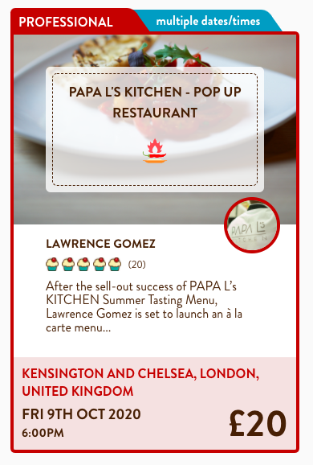
c | About Chef
d | Time (24 hour clock) Also Display timezones Drop list of all time zones
e | About Event
f | Menu
g | No of Seats Available (This will change as the bookings are done. Example 10 seats available and 2 bookings done so this should automatically change to 8 seats)
h | Event Type - Paid
i | Google intergration on Find event page and Miles radius search
j | Price when reduced should show |  | £20 | Now £10
 |  |  |  |  |  |  | This box not needed

 |  |  |  |  |  |  |  |  | Chefs pic
Badges Example |  |  |  |  |  |  |  | Chefs name
Home Chef, Star Chef, SuperStar Chef, Advanced Chef, Professional Chef, Popular Chef Novice Chef |  |  |  |  |  |  | Badges (As we discussed, there will badges given to the chefs/home chefs) Badges Example given on the left side
 |  |  |  |  |  |  | Event Title (Example event name - "Tandoori Nights"

 |  |  |  |  |  |  | Location

 |  |  |  |  |  |  | Time and Date |  | Cost Per seat

After Clicking on the event - the event details should appear as below

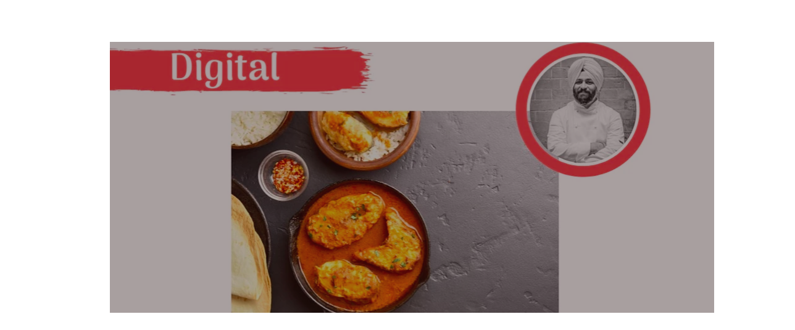

 |  |  |  |  |  |  | Please add email and Whatsapp option - also keep option of FB, Twitter & Linkedin

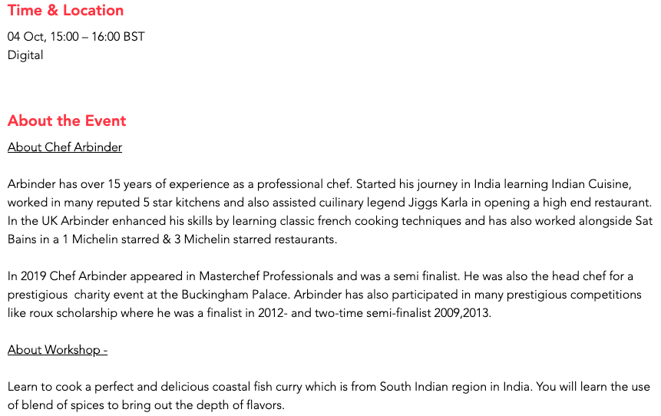

 |  |  |  |  |  | In About the Event section - at backend I should have an option to Exclude a Sub heading - for example if I want to exclude About Workshop then May be there should a check box, if I tick it then it will include and if I untick it it will exclude. I would also need another Subheading by the name Menu.

 |  |  |  |  |  | I should have an option to add additonal sub heading apart from the ones listed on the event & menu

 |  | BOOK NOW |  |  | The design should be a "Button style"

PRIVATE DINING
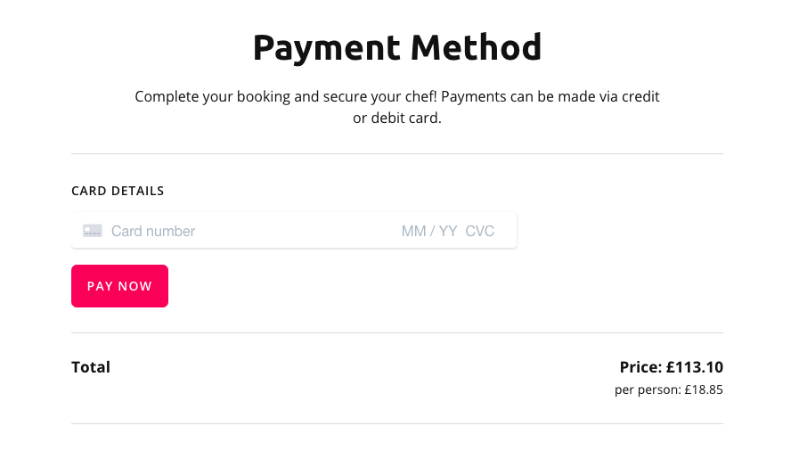
BOOK NOW |  | OUR CHEFS | OUR CUISINE | GIFT A CELEBRATION | FAQ
 |  |  |  |  |  | When would you like your groceries delivered?

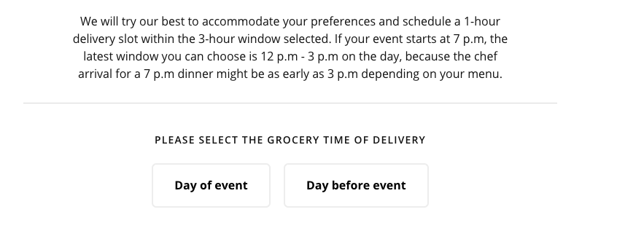
 | Private Dining at the comfort of your home

 | Enjoy Private chef parties at home

 | Starts from £100 all Inclusive

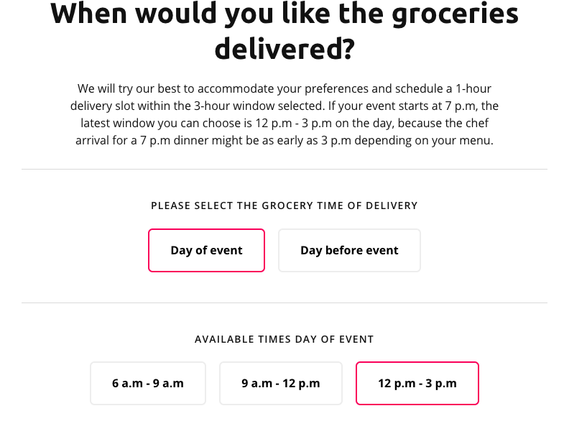

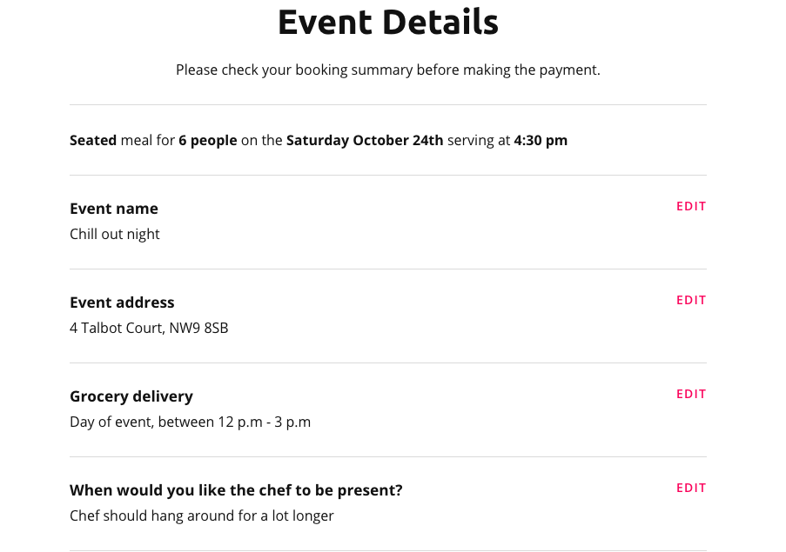
1 | When clicked on Book Now they will directed to different page where in the background customer can see dishes and set menus
2 | Before customer goes on to the menu a pop will appear how many people are planning to book for and if you would like a Table Service or Buffet. As soon as customer selects the number of people and the type of service customer can see the menu but customer can proceed to without selecting any of the two options, customer should be able to change the number of people on the same page and the type of service and date of event. However if customer proceeded without selecting number of people/type of service and date of event, they should still be able to see the dishes but the price that would appear by default would be lowest price. If customerr then added dishes to his basket and clicks on check out/Book Now then he should get a prompt to select date of the event, number of people and Type of Service. When customer selects the number of people/Type of service and date of the event the accurate price of the items in the basket should automatically be updated.
 | FOR EXAMPLE: At the backend when I create a dish it should have Cuisine (Indian, Italian, European, Asian etc), Course (main course, starters, amouse bouche, side dish etc), Diet (Which are basically tags Vegan, vegetarian, Egg free, Nut free etc, Price for 4 people or more, price when table service, price when buffet service. Price 3 or less than 3, price when table service, price when buffet service. Default price should be the lowest price stated in the backend, when customer amends no of people, type of service the prices should update automatically. If a dish is both Starter, Main Course and also side dish then price for starter for 3 or less, for table service or buffet, price for 4 or more, for table service or buffet, price for side dish for 3 or less, for table service or buffet, price for 4 or more for table service and for buffet. Dish should display in the price section - from £3.00, as customer selects the dish there should be a pop to say if you would like this dish as main, starter or side, if customer selects side then prices will update.
3 | Customer should be able to see the dishes bu Cusines, Course and Diet
4 | When giving feature to create and add menu - In the backend there should be an option to add a dish as Amouse-bouche, starter and main
 | For example - Chicken tandoori (If listed in all 3 categories of Amouse Bouche, Starter and Mains) then in the menu it should show price per portion from 3.95, when customer selects the dish a pop up should appear to ask if you would like it as amouse bouche, starters or mains. If customer selects amouse bouche then it should be added to relevant category in their "Your Menu " on the right side. It should be automatically add correct price.
5 | Similarly if customer selects number of people less than 3 or 3, then the prices will change of all the dishes in the menu. So in the backend it should be all formulated and automated.
 | For example - if customer selects 2 people then menu should automaticaly reflect the price as set for 3 people or under 3.
6 | Seated or Buffet, if customer selects option for buffet service then price wont change but if customer select table service then price of the dishes will change

